Menu
Date of the Function:
 |  | Mornings |  |  | Mid-Days |  |  | Mid-Days |  |  | Dinner

Please fill in ALL the information |  | Enter quantities requested in space provided |  |  | Enter quantities requested in space provided |  |  | Enter quantities requested in space provided |  |  | Enter quantities requested in space provided
Name of Function |  |  | Rise & Shine |  |  | Lunch Packages |  |  | Platters & Trays |  |  | Plated Dinner/ Buffet
 |  |  | CIC Boulangerie Package | $6.99 |  | Pine Lunch - Vegetable Mulligatawny soup, Cucumber, red onion and hung yogurt salad, Chicken tikka tacos-tamarind and cilantro chutney, Or Vegetable and ricotta tacos –tamarind and cilantro chutney Spiced Potato and cauliflower, Indian rice pudding, Seasonal fresh fruit kebab | $11.49 |  | Raw Bar (seasonal 7 local vegetables and dip) | $5.79 |  | Plated Dinners include a choice of Entrée, Salad or Soup, Fresh Baked Rolls with Butter and Dessert, Freshly Brewed Coffee, and Tea
 |  |  | Niagara Fruit & Yogurt Bar Package | $7.99 |  |  |  |  | Sliced Seasonal Fresh Fruit & Berries | $6.59
 |  |  | Escarpment Breakfast Package | $11.29 |  |  |  |  |  |  |  | Salad
Location Required |  |  | Packages include freshly brewed regular and decaffeinated coffee, assorted teas, ice water and assorted juices |  |  |  |  |  | Antipasto Board (Local meats an cheese's with olives and chutneys, artisanal bread and crackers) | $7.39
 |  |  | Custom Beverages |  |  | Greek Street - Traditional Greek Salad, Freshly made Hummus and Tabbouleh with Zattar topped Pita Bread and Pita Chips, Homemade lamb/vegetable Samboseek with yoghurt tahini, Griddle cooked split pea kibbeh with Tzatziki Grilled Chicken Kibbeh with Tzatziki, Batata harra (potato ), Mouhalabieh | $12.29 |  | Bruschetta & Flatbread Toasted Flatbreads Lightly Brushed with Extra Virgin Olive Oil Specialty Toppings to Include: Heirloom Tomato, Roasted Red Pepper Hummus, Basil Pesto, Olive Tapenade | $7.39 |  | Soup
 |  |  | Freshly Squeezed Orange Juice | $2.99
 |  |  | Freshly Squeezed Lemonade | $2.99
Account # / Department |  |  | Freshly Pressed Cold Juices | $3.49 |  |  |  |  | Ontario and Abroad Cheese Display - (Selection of Locally Produced, Ontario, Canadian and International Cheeses, Honey, Fruit Chutney, Dried Apricots, Sliced Baguettes and Crackers) | $8.29
 |  |  | Mock Champagne Sparkling Punch (svs 25) | $21.99 |  |  |  |  |  |  |  | Entrée
 |  |  | Infused Waters (serves 25) | $10.00 |  |  |  |  |  |  |  | Cider Brined Ontario Pork - Sweet Potato, Apple Butter, In Season Vegetables, Roasted Bone Sauce | $21.99
# of people | Delivery Time |  |  |  |  |  |  |  | Break Packages
 | 0:00:00 |  |  |  |  | Fusion Lunch - Miso soup, Seaweed salad, Fresh mango and vegetable rice paper roll, Quinoa shrimp rolls or Quinoa Avocado and cucumber roll, Salmon/tofu and yellow bean grilled skewers on bed of sticky rice, Duet of sesame rice and palm sugar crisps | $1.50 |  | Coffee Break - Coffee Cake, Biscotti, Chocolate Croissant | $8.29 |  | Grilled Seasonal Fish - Braised Seasonal Greens, Cucumber & Radish Escabeche, Local Seasonal Vegetables, Green Sauce | $22.99
 |  |  | Local Apple Cider | $13.99
 |  |  | A la Carte |  |  |  |  |  | Sweet Cookie Break - Tarts & Squares, Chewy Pecan Squares, Mini Cheesecake Squares, Assorted Cookies | $8.99 |  | Organic Roasted Chicken Supreme – Celery Root Puree, Vinegar Poached Beets, Spout Leaves, Reduction Sauce | $23.99
 |  |  | Artisan Cheeses (4oz) | $4.69
Clear Room at: | 0:00:00 |  | Fruit Skewers, 6” | $2.79 |  |  |  |  |  |  |  | Ontario Free Range Duck- Beluga Lentils, Braised Greens, Butternut Squash, Carrot, Black Gold | $25.99
 |  |  | Whole Seasonal Fruits | $1.09
Special Instructions |  |  | Granola Bars (Kind) | $2.49 |  |  |  |  | Nature Break - Low Fat & Fruit Yogurt, Granola Bars, Whole Fruit, Smoothies | $10.29 |  | Aged Beef Tenderloin- Australian Truffle Mash, Ontario Carrots, Beans, Roasted Onion, Long Pepper Sauce | $32.99
 |  |  | Muffins | $1.69
 |  |  | Yogurt, Individual assorted flavours | $1.49 |  | Oak Lunch - Seasonality based homemade soup /Artisan homemade flavored breads (Pesto butter/garlic butter /burnt chili butter) Medley of local greens, Cherry Tomatoes, and Cucumbers with house blended dressings, Artisan Sandwiches and Wraps: Artisanal Breads and Wraps filled with Dill infused Tuna Salad, Truffle scented Egg Salad, Sage and thyme marinated Grilled Vegetables, Oven Roasted Turkey Breast, Smoked Black Forest Ham, Maple Dijon, horseradish aioli, rosemary and tomato chutney Kosher Pickles Sliced Seasonal Fruit kebabs | $13.99 |  | Power U Break- Energy Bars, Low Fat & Fruit Yogurt, Granola Bars, Whole Fruit, Iced Coffee | $10.79 |  | Wild Rice & Barley Risotto- Seasonal Vegetable, Soft Cheese, Herbs | $16.99
 |  |  | Granola Parfaits Garnished with Fresh Fruit and Berries | $2.99
 |  |  | Cinnamon & Almond French Toast | $3.09 |  |  |  |  |  |  |  | Dessert
 |  |  | Seasonal Fresh Fruit Cups | $3.99 |  |  |  |  |  |  |  | Carrot Apple Cake
 |  |  | Breakfast Breads (12 slices) | $16.49 |  |  |  |  | Packages include freshly brewed regular and decaffeinated coffee, assorted teas, ice water and assorted juices |  |  | Baked Apple Crème Brule
 |  |  |  |  |  |  |  |  |  |  |  | Frozen White Chocolate & Ontario Rhubarb Mousse
 |  |  | Smoked & Lox | $5.59 |  |  |  |  |  |  |  | Warm Chocolate Cheery Cake
 |  |  | Egg, Oka & Avocado Wrap | $4.99 |  |  |  |  | Dessert |  |  | Whole Wheat Pizzas (16")
 |  |  | Hand Crafted Vegetable & Fruit Smoothies | $4.49 |  |  |  |  | Carrot Apple Cake | $2.99
 |  |  |  |  |  | Cucina - Artisanal Garlic/Rosemary /parmesan focaccia, Classic Caesar Salad-with seasonal grown greens-kale/collards /romaine, Home marinated Olives and Mushrooms, Lightly Breaded Breast of Chicken glazed with Tomato and Basil Sauce, baked with Mozzarella and freshly grated Parmesan Cheese. Lightly Breaded tofu glazed with Tomato and Basil Sauce, baked with vegan Mozzarella and vegan Parmesan Cheese. Penne Pasta with a Pesto Sauce, Traditional tiramisu torte | $13.99 |  | Baked Apple Crème Brule | $4.99 |  | Cheese | $15.00
 |  |  |  |  |  |  |  |  |  |  |  | Pepperoni | $17.00
 |  |  |  |  |  |  |  |  | Frozen White Chocolate & Ontario Rhubarb Mousse | $4.99 |  | Hawaiian | $18.00
 |  |  | Gourmet Cookies (2) | $1.99 |  |  |  |  |  |  |  | BBQ Chicken | $20.00
 |  |  |  |  |  |  |  |  | Warm Chocolate Cheery Cake | $3.99 |  | Vegetarian | $16.00
 |  |  |  |  |  |  |  |  | Warm Maple Pudding | $2.99 |  | Room Set - Up
 |  |  |  |  |  |  |  |  | French Macarons | $3.99
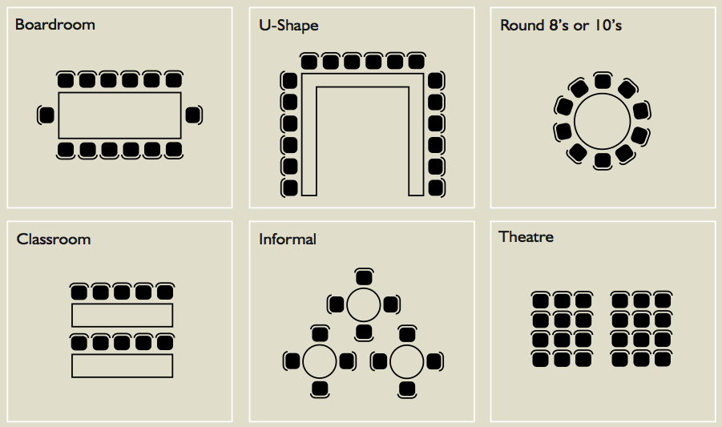
 |  |  |  |  |  |  |  |  | Crisp Baked Apples | $5.59
 |  |  | Coffee & Tea |  |  | Packages include freshly brewed regular and decaffeinated coffee, assorted teas, ice water and assorted juices |  |  | Value Menu
 |  |  | Coffee Pot (Serves 10) | $13.59 |  | A La Carte |  |  | Muffins, Juice, Coffee & Tea | $4.99 | Room Setup
Customer Approval / Signature |  |  | Tea | $1.59 |  | Truffle Scented Egg Salad | $4.99 |  | Pancakes, Juice, Coffee & tea | $4.99
 |  |  | Hot Chocolate | $1.99 |  | Dill Infused Tuna Salad | $4.99 |  | Traditional Wrap & Side Garden | $7.99
 |  |  | Cold Beverages |  |  | Sage & Thyme Marinated Grilled Veg | $4.99 |  | Rolls, Garden salad, Baked Chicken Thighs, Rice Pilaf, Steamed Vegetables, Cookies, Pop/ Juice | $11.99
 |  |  | Flat Water Pitcher | $2.59 |  | Country Ham with Brie and Grainy Dijon | $4.99
 |  |  | Sparkling Water | $2.49
 |  |  | Bottled water | $1.79 |  | Smoked Turkey with Swiss and Maple Mustard | $4.99 |  | Pasta Primavera with Garlic bread | $7.99
TOTAL | $- |  | Botted Fruit Juice | $1.79 |  | Quinoa Butternut Squash Salad | $3.49 |  | Bowl of Original Lays Chips or Pretzels (serves 3-4) | $3.99
 |  |  | Iced Coffee (servings of 8) | $12.79 |  |  |  |  | 1oz cookies (2 per person) | $1.29
 |  |  | Soft Drinks | $1.59 |  | Kale Caesar salad | $3.49
 |  |  | Iced Tea (servings of 8) | $12.79 |  | Tender Leaf & Vegetable Salad | $3.49

